Sheet1
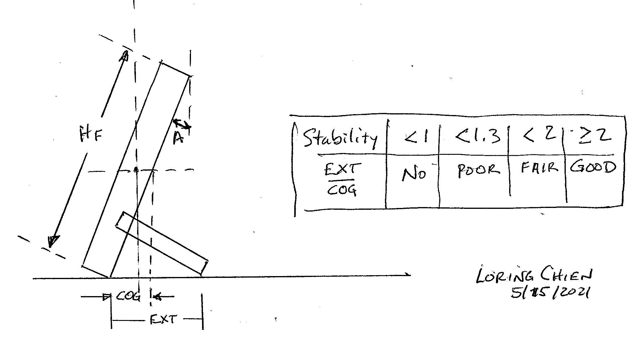
 |  |  |  | Dowel Frame Foot Calculations |  |  |  | © Loring Chien |  | 2021-05-08
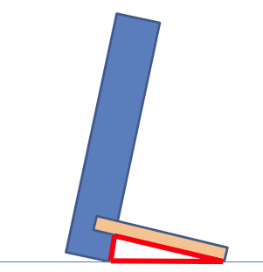
 |  |  |  | A | D | L | HF | H | L2 | H2 | H3 | Stability
 |  |  |  | Frame Tilt Angle (degrees) | Dowel Dia (x 1/16th inches) | Dowel Length (inches) | Overall Height of frame (inches) | Frame Ht below dowel | Dowel Cut len | Dowel center ht - inches (drill Location) | Dowel top Ht (check for breakout!) | How stable is this?
 |  |  |  | 17 | 3 | 3 | 10.375 | 0.877 | 3.375 | 0.971 | 1.065 | Fair
 |  |  |  | 17 | 3 | 2.75 | 10.375 | 0.804 | 3.125 | 0.898 | 0.992 | Fair
 |  |  |  | 17 | 3 | 2.5 | 10.375 | 0.731 | 2.875 | 0.825 | 0.918 | Fair
 |  |  |  | 17 | 3 | 2.25 | 10.375 | 0.658 | 2.625 | 0.752 | 0.845 | Fair
 |  |  |  | 17 | 3 | 2 | 10.375 | 0.585 | 2.375 | 0.678 | 0.772 | Poor
 |  |  |  | 17 | 3 | 1.75 | 10.375 | 0.512 | 2.125 | 0.605 | 0.699 | Poor
 |  |  |  | 17 | 3 | 1.5 | 10.375 | 0.439 | 1.875 | 0.532 | 0.626 | No
 |  |  |  | 17 | 3 | 1 | 10.375 | 0.292 | 1.375 | 0.386 | 0.480 | No
 |  |  |  | 15 | 4 | 3 | 10.375 | 0.776 | 3.375 | 0.901 | 1.026 | Good
 |  |  |  | 15 | 4 | 2.5 | 10.375 | 0.647 | 2.875 | 0.772 | 0.897 | Fair
Dowel hole depth (inches) |  |  | 0.375 | 15 | 4 | 2.25 | 10.375 | 0.582 | 2.625 | 0.707 | 0.832 | Fair
 |  |  |  | 15 | 4 | 2 | 10.375 | 0.518 | 2.375 | 0.643 | 0.768 | Fair
Minimum stability criteria |  |  |  | 17 |  |  | 8 | 0.000 | 0.375 | 0.000 | 0.000 | No
No | > | 0 |  | 17 |  |  | 8 | 0.000 | 0.375 | 0.000 | 0.000 | No
Poor | > | 1 |  | 17 |  |  | 8 | 0.000 | 0.375 | 0.000 | 0.000 | No
Fair | > | 1.3
Good | > | 2

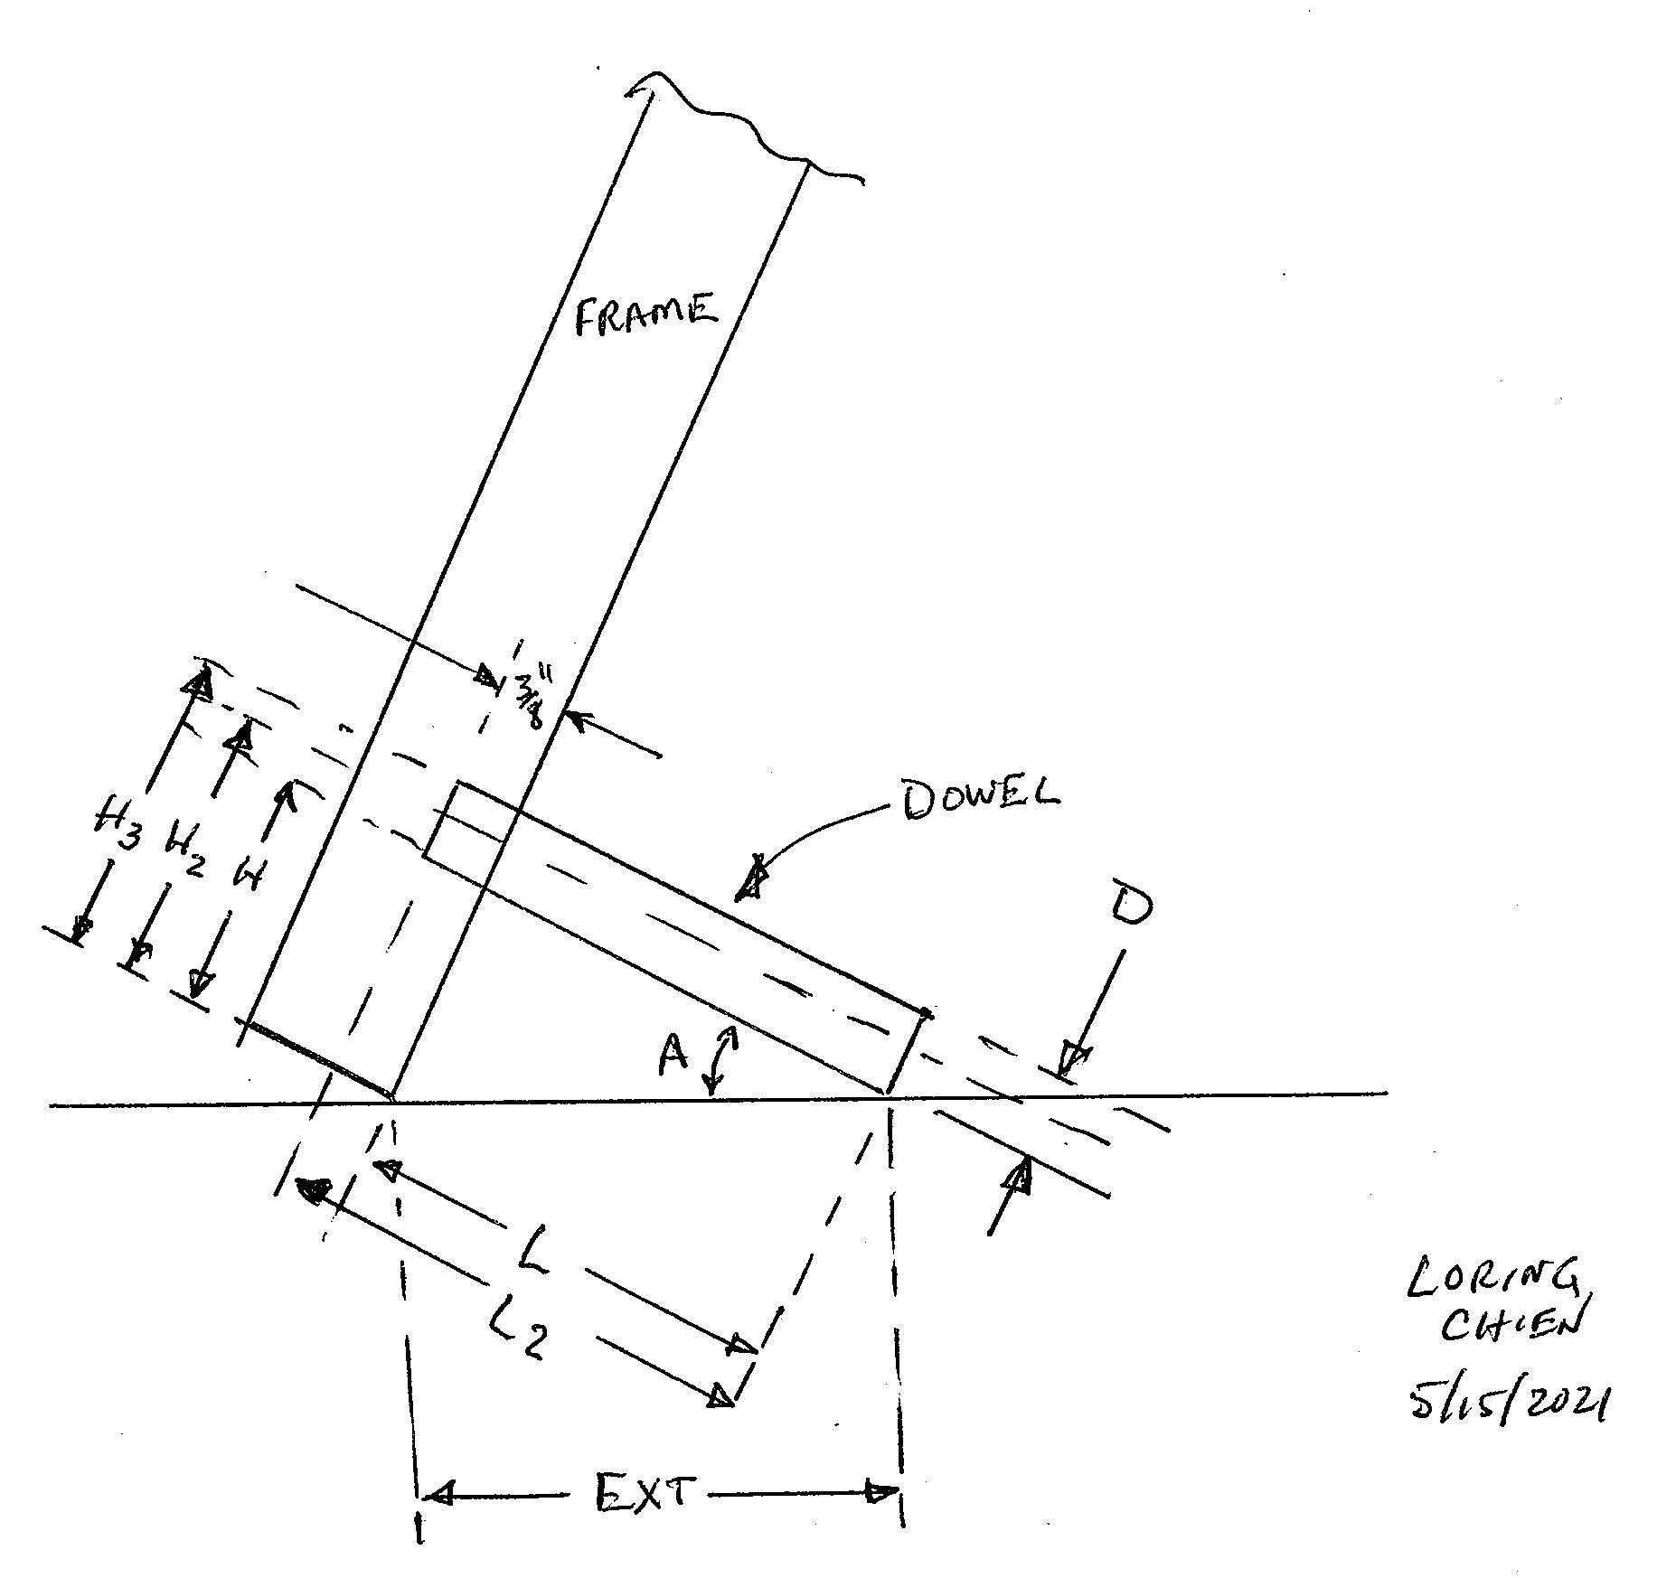

Cut Dowel to length L2

Drill a hole matching the dowel diameter at H2 from the bottom edge of the frame, 3/8" deep.

Prevent hole breakout! Make sure that H3 is somewhat less than the width of the lower frame edge or else place the dowel hole in the vertical frame member!

